Sheet1
ITEM LINK | ITEM PICTURE | ITEM COLOR | ITEM NAME | ITEM SKU | UPC | QTY | CASE PACK | TOTAL CASES
Amazon.com: PANDASZ 8" x 6" x 2" Cute Pencil Case - Aesthetic Pencil Bag with Zipper for Adults Teens Kids - Light Cool Compact Japanese Inspired Large Capacity Pen Pouch for Women Men Girls School College Office : Office Products | 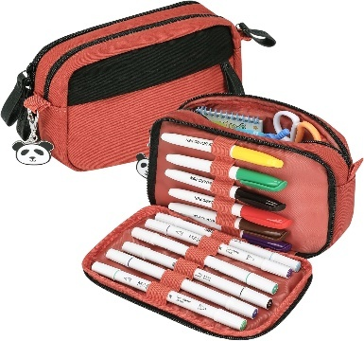 | 04-Salmon | Cute Pencil Case - Aesthetic Pencil Bag with Zipper for Adults Teens Kids | PAD436 | 850042512258 | 4878 | 120 | 40.65
Amazon.com: PANDASZ 8" x 6" x 2" Cute Pencil Case - Aesthetic Pencil Bag with Zipper for Adults Teens Kids - Light Cool Compact Japanese Inspired Large Capacity Pen Pouch for Women Men Girls School College Office : Office Products | 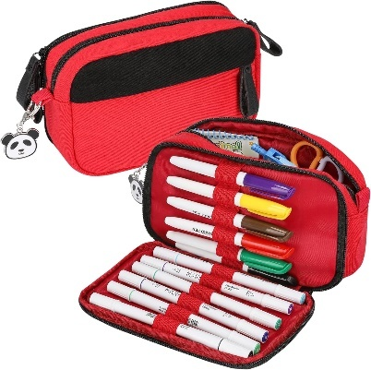 | 04-Hot Pink | Cute Pencil Case - Aesthetic Pencil Bag with Zipper for Adults Teens Kids | PAD435 | 850042512241 | 4878 | 120 | 40.65
https://www.amazon.com/dp/B0BDDP2PXW?th=1 | 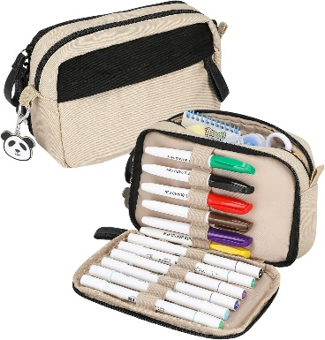 | 04-Beige | Cute Pencil Case - Aesthetic Pencil Bag with Zipper for Adults Teens Kids | PAD434 | 850042512234 | 4878 | 120 | 40.65
Amazon.com: PANDASZ 8" x 6" x 2" Cute Pencil Case - Aesthetic Pencil Bag with Zipper for Adults Teens Kids - Light Cool Compact Japanese Inspired Large Capacity Pen Pouch for Women Men Girls School College Office : Office Products | 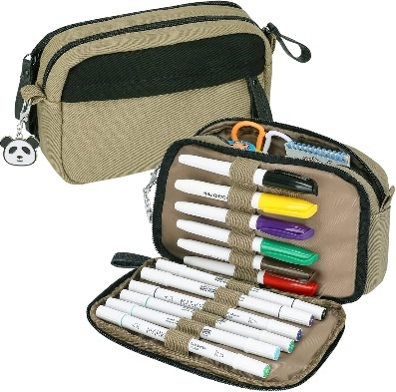 | 04-Kaki | Cute Pencil Case - Aesthetic Pencil Bag with Zipper for Adults Teens Kids | PAD433 | 850042512227 | 2880 | 120 | 24
Amazon.com: PANDASZ 8" x 6" x 2" Cute Pencil Case - Aesthetic Pencil Bag with Zipper for Adults Teens Kids - Light Cool Compact Japanese Inspired Large Capacity Pen Pouch for Women Men Girls School College Office : Office Products |  | 04-Kaki | Cute Pencil Case - Aesthetic Pencil Bag with Zipper for Adults Teens Kids | PAD433 | 850042512227 | 2358 | 40 | 58.95
Amazon.com: PANDASZ 8" x 6" x 2" Cute Pencil Case - Aesthetic Pencil Bag with Zipper for Adults Teens Kids - Light Cool Compact Japanese Inspired Large Capacity Pen Pouch for Women Men Girls School College Office : Office Products | 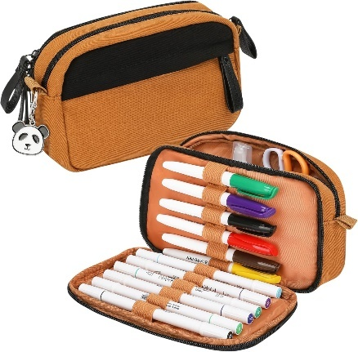 | 04-Brown | Cute Pencil Case - Aesthetic Pencil Bag with Zipper for Adults Teens Kids | PAD432 | 850042512210 | 9878 | 120 | 82.31
Amazon.com: PANDASZ 8" x 6" x 2" Cute Pencil Case - Aesthetic Pencil Bag with Zipper for Adults Teens Kids - Light Cool Compact Japanese Inspired Large Capacity Pen Pouch for Women Men Girls School College Office : Office Products | 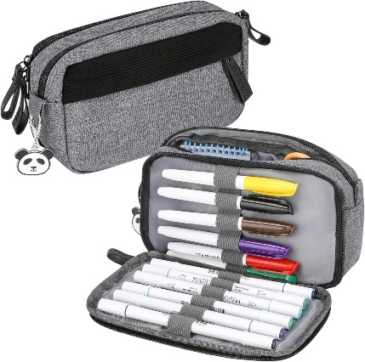 | 04-Grey Denim | Cute Pencil Case - Aesthetic Pencil Bag with Zipper for Adults Teens Kids | PAD431 | 850042512203 | 4898 | 100 | 48.98
Amazon.com: PANDASZ 8" x 6" x 2" Cute Pencil Case - Aesthetic Pencil Bag with Zipper for Adults Teens Kids - Light Cool Compact Japanese Inspired Large Capacity Pen Pouch for Women Men Girls School College Office : Office Products | 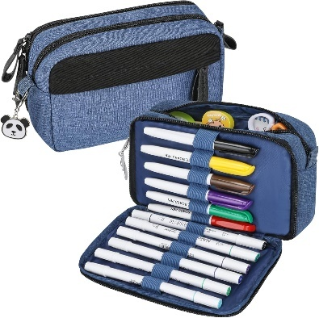 | 04-Blue Denim | Cute Pencil Case - Aesthetic Pencil Bag with Zipper for Adults Teens Kids | PAD430 | 850042512197 | 9898 | 100 | 98.98
Amazon.com: PANDASZ 8" x 4.5" x 3" Cute Pencil Case - Aesthetic Pencil Bag with Zipper for Adults Teens Kids - Extra Roomy Cool Japanese Inspired Large Capacity Pen Pouch for Women Men Girls School College Office : Office Products | 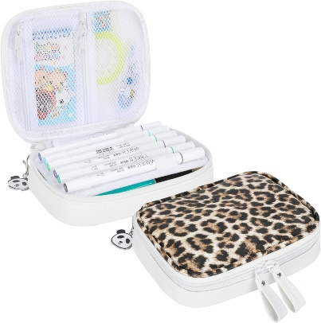 | 03-Leopard | 8" x 4.5" x 3" Cute Pencil Case - Aesthetic Pencil Bag with Zipper for Adults Teens Kids | PAD323 | 850042512180 | 14898 | 100 | 148.98
Amazon.com: PANDASZ 8" x 4.5" x 3" Cute Pencil Case - Aesthetic Pencil Bag with Zipper for Adults Teens Kids - Extra Roomy Cool Japanese Inspired Large Capacity Pen Pouch for Women Men Girls School College Office : Office Products | 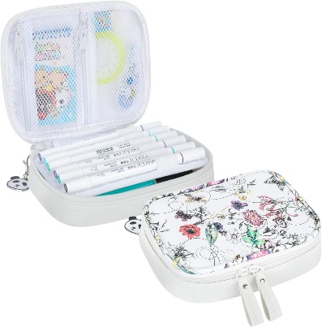 | 03-White Floral | 8" x 4.5" x 3" Cute Pencil Case - Aesthetic Pencil Bag with Zipper for Adults Teens Kids | PAD322 | 850042512173 | 14998 | 100 | 149.98
Amazon.com: PANDASZ 8" x 4.5" x 3" Cute Pencil Case - Aesthetic Pencil Bag with Zipper for Adults Teens Kids - Extra Roomy Cool Japanese Inspired Large Capacity Pen Pouch for Women Men Girls School College Office : Office Products | 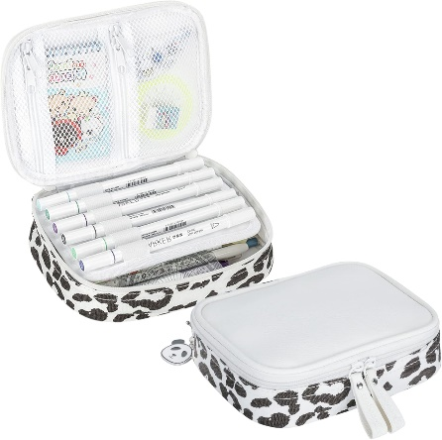 | 03-cow print | 8" x 4.5" x 3" Cute Pencil Case - Aesthetic Pencil Bag with Zipper for Adults Teens Kids | PAD321 | 850042512166 | 9898 | 100 | 98.98
Amazon.com: PANDASZ 8" x 4.5" x 3" Cute Pencil Case - Aesthetic Pencil Bag with Zipper for Adults Teens Kids - Extra Roomy Cool Japanese Inspired Large Capacity Pen Pouch for Women Men Girls School College Office : Office Products | 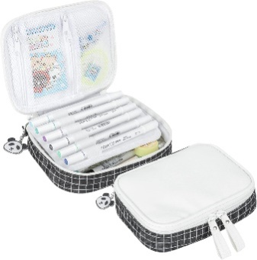 | 03-Black Box | 8" x 4.5" x 3" Cute Pencil Case - Aesthetic Pencil Bag with Zipper for Adults Teens Kids | PAD320 | 850042512159 | 9898 | 100 | 98.98
Amazon.com: PANDASZ Aesthetic Pencil Case for School Supplies - Cute Zipper Pencil Pouch - Pen Holder Bag/Organizer in Faux Leather for Teen Girls Boys Adults (Black Floral) : Office Products | 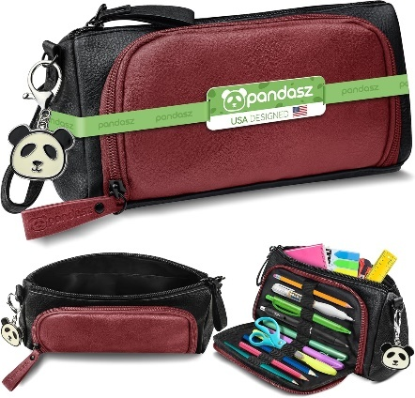 | 02-wine red | Cute Zipper Pencil Pouch - Pen Holder Bag/Organizer in Faux Leather for Teen Girls Boys Adults | PAD216 | 850042512142 | 4700 | 150 | 31.33
Amazon.com: PANDASZ Aesthetic Pencil Case for School Supplies - Cute Zipper Pencil Pouch - Pen Holder Bag/Organizer in Faux Leather for Teen Girls Boys Adults (Black Floral) : Office Products | 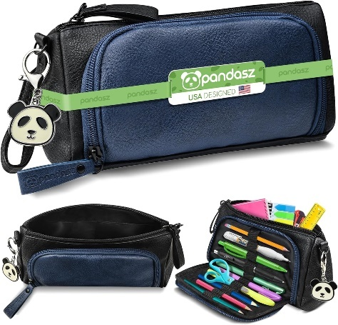 | 02-blue | Cute Zipper Pencil Pouch - Pen Holder Bag/Organizer in Faux Leather for Teen Girls Boys Adults | PAD215 | 850042512135 | 4700 | 150 | 31.33
https://www.amazon.com/dp/B0BDF98R6X/ref=twister_B0BDD1K448?_encoding=UTF8&th=1 | 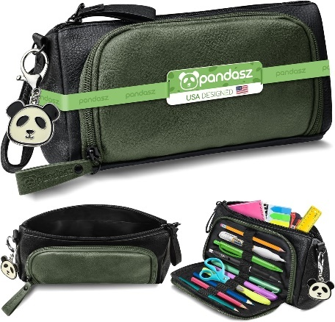 | 02-Green | Cute Zipper Pencil Pouch - Pen Holder Bag/Organizer in Faux Leather for Teen Girls Boys Adults | PAD214 | 850042512128 | 4700 | 150 | 31.33
Amazon.com: PANDASZ Aesthetic Pencil Case for School Supplies - Cute Zipper Pencil Pouch - Pen Holder Bag/Organizer in Faux Leather for Teen Girls Boys Adults (Black Floral) : Office Products | 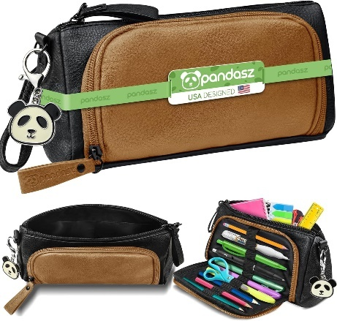 | 02-Brown | Cute Zipper Pencil Pouch - Pen Holder Bag/Organizer in Faux Leather for Teen Girls Boys Adults | PAD213 | 850042512111 | 4700 | 150 | 31.33
Amazon.com: PANDASZ Aesthetic Pencil Case for School Supplies - Cute Zipper Pencil Pouch - Pen Holder Bag/Organizer in Faux Leather for Teen Girls Boys Adults (Black Floral) : Office Products | 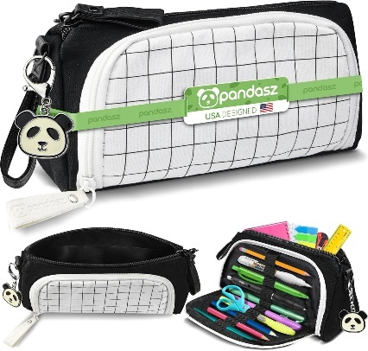 | 02-white box | Cute Zipper Pencil Pouch - Pen Holder Bag/Organizer in Faux Leather for Teen Girls Boys Adults | PAD212 | 850042512104 | 9450 | 180 | 52.5
Amazon.com: PANDASZ Aesthetic Pencil Case for School Supplies - Cute Zipper Pencil Pouch - Pen Holder Bag/Organizer in Faux Leather for Teen Girls Boys Adults (Black Floral) : Office Products | 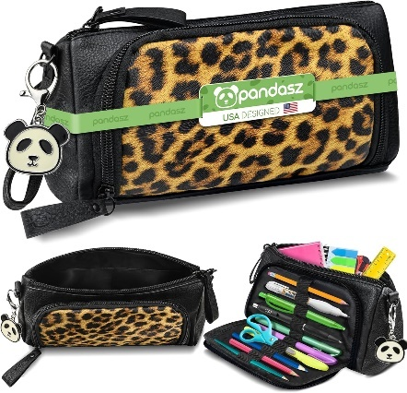 | 02-leopard | Cute Zipper Pencil Pouch - Pen Holder Bag/Organizer in Faux Leather for Teen Girls Boys Adults | PAD211 | 850042512098 | 9600 | 150 | 64
Amazon.com: PANDASZ Aesthetic Pencil Case for School Supplies - Cute Zipper Pencil Pouch - Pen Holder Bag/Organizer in Faux Leather for Teen Girls Boys Adults (Black Floral) : Office Products | 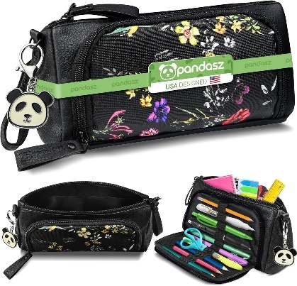 | 02-Black Floral | Cute Zipper Pencil Pouch - Pen Holder Bag/Organizer in Faux Leather for Teen Girls Boys Adults | PAD210 | 850042512081 | 9150 | 150 | 61
https://www.amazon.com/dp/B0BD6KW3QH?th=1 | 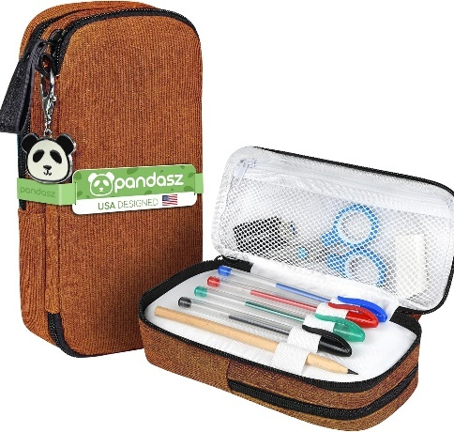 | 01-Brown | esthetic Pencil Case for School Supplies - Cute Zipper Pencil Pouch - Pen Holder Bag/Organizer in Soft Corduroy for Teen Girls Boys Adults | PAD108 | 850042512074 | 4398 | 150 | 29.32
Amazon.com : PANDASZ Aesthetic Pencil Case for School Supplies - Cute Zipper Pencil Pouch - Pen Holder Bag/Organizer in Soft Corduroy for Teen Girls Boys Adults (Blue) : Arts, Crafts & Sewing | 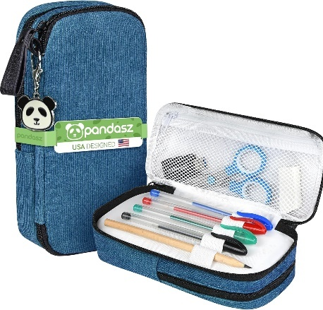 | 01-Blue | esthetic Pencil Case for School Supplies - Cute Zipper Pencil Pouch - Pen Holder Bag/Organizer in Soft Corduroy for Teen Girls Boys Adults | PAD107 | 850042512067 | 3050 | 150 | 20.33
Amazon.com : PANDASZ Aesthetic Pencil Case for School Supplies - Cute Zipper Pencil Pouch - Pen Holder Bag/Organizer in Soft Corduroy for Teen Girls Boys Adults (Blue) : Arts, Crafts & Sewing | 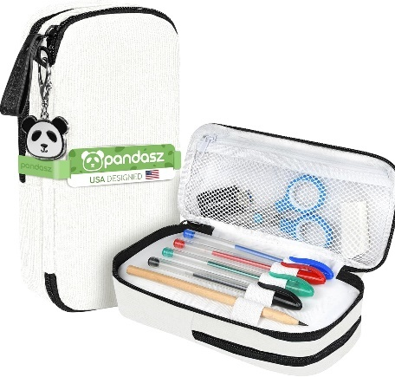 | 01-White | esthetic Pencil Case for School Supplies - Cute Zipper Pencil Pouch - Pen Holder Bag/Organizer in Soft Corduroy for Teen Girls Boys Adults | PAD106 | 850042512050 | 4398 | 150 | 29.32
Amazon.com : PANDASZ Aesthetic Pencil Case for School Supplies - Cute Zipper Pencil Pouch - Pen Holder Bag/Organizer in Soft Corduroy for Teen Girls Boys Adults (Blue) : Arts, Crafts & Sewing | 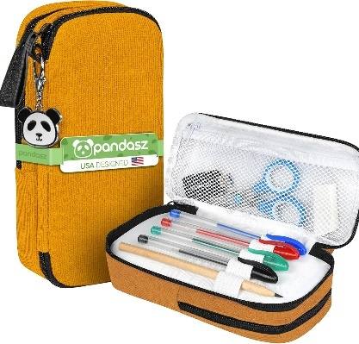 | 01-Yellow | esthetic Pencil Case for School Supplies - Cute Zipper Pencil Pouch - Pen Holder Bag/Organizer in Soft Corduroy for Teen Girls Boys Adults | PAD105 | 850042512043 | 4398 | 150 | 29.32
Amazon.com : PANDASZ Aesthetic Pencil Case for School Supplies - Cute Zipper Pencil Pouch - Pen Holder Bag/Organizer in Soft Corduroy for Teen Girls Boys Adults (Pink) : Arts, Crafts & Sewing | 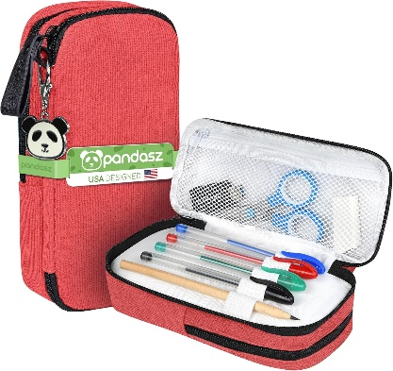 | 01-Light Purple | esthetic Pencil Case for School Supplies - Cute Zipper Pencil Pouch - Pen Holder Bag/Organizer in Soft Corduroy for Teen Girls Boys Adults | PAD104 | 850042512036 | 4248 | 150 | 28.32
https://www.amazon.com/dp/B0BD6KW3QH?th=1 |  | 01-Green | esthetic Pencil Case for School Supplies - Cute Zipper Pencil Pouch - Pen Holder Bag/Organizer in Soft Corduroy for Teen Girls Boys Adults | PAD103 | 850042512029 | 3950 | 150 | 26.33
Amazon.com : PANDASZ Aesthetic Pencil Case for School Supplies - Cute Zipper Pencil Pouch - Pen Holder Bag/Organizer in Soft Corduroy for Teen Girls Boys Adults (Brown Flower) : Arts, Crafts & Sewing | 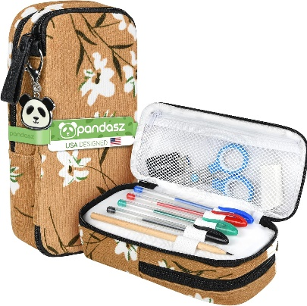 | 01-Brown Flower | esthetic Pencil Case for School Supplies - Cute Zipper Pencil Pouch - Pen Holder Bag/Organizer in Soft Corduroy for Teen Girls Boys Adults | PAD102 | 850042512012 | 6750 | 150 | 45
Amazon.com : PANDASZ Aesthetic Pencil Case for School Supplies - Cute Zipper Pencil Pouch - Pen Holder Bag/Organizer in Soft Corduroy for Teen Girls Boys Adults (Brown Flower) : Arts, Crafts & Sewing | 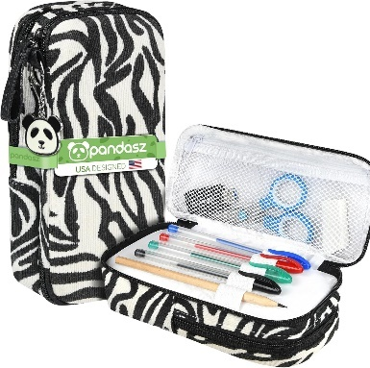 | 01-Zebra | esthetic Pencil Case for School Supplies - Cute Zipper Pencil Pouch - Pen Holder Bag/Organizer in Soft Corduroy for Teen Girls Boys Adults | PAD101 | 850042512005 | 8950 | 150 | 59.66

 |  |  |  |  |  | 181380

